Flow Chart
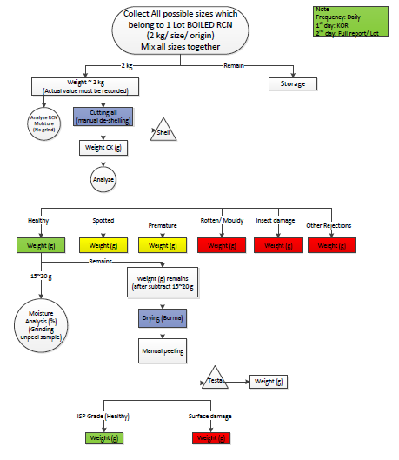

The File in Another Formate so when it fix in Excel its loss the clairty.

